proj3_q1
AVERAGE LENGTH OF TRACK COMPARED TO TOTAL SALES
Total Purchased | Avg Minutes Per Track | Genre Name
827 | 4 | Rock
382 | 3 | Latin
261 | 5 | Metal
242 | 3 | Alternative & Punk
94 | 37 | TV Shows
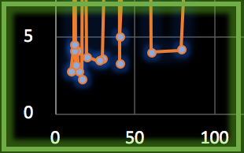
79 | 4 | Jazz
60 | 4 | Blues
58 | 44 | Drama
41 | 3 | Classical
41 | 5 | R&B/Soul
40 | 48 | Sci Fi & Fantasy
30 | 4 | Reggae
28 | 3 | Pop
20 | 4 | Soundtrack
18 | 27 | Comedy
17 | 2 | Hip Hop/Rap
15 | 3 | Bossa Nova
14 | 4 | Alternative
13 | 3 | World
12 | 4 | Science Fiction
12 | 5 | Electronica/Dance
12 | 43 | Heavy Metal
10 | 3 | Easy Listening
101 | 12 | Grand Total Averages

4 | Mode
4 | Median

proj3_q2
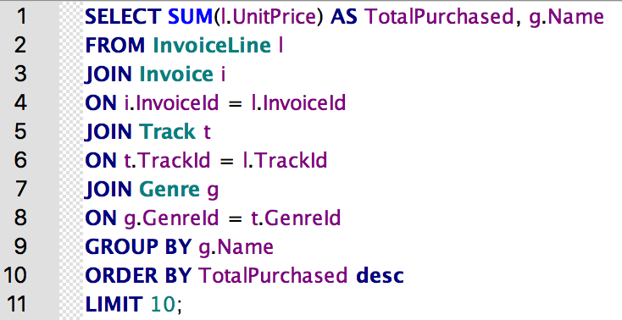
TotalSales | Name | Range: | 786.06
826.65 | Rock
382.14 | Latin
261.36 | Metal
241.56 | Alternative & Punk
93.53 | TV Shows
79.2 | Jazz
60.39 | Blues
57.71 | Drama
40.59 | Classical
40.59 | R&B/Soul

TOP 10 MUSIC GENRES BY SALES

proj3_q3
Country | Total_Items_Sold | Genre
USA | 157 | Rock
Canada | 107 | Rock
% of Total Items Sold in the Rock Music Genre
Brazil | 81 | Rock
France | 65 | Rock
Germany | 62 | Rock
United Kingdom | 37 | Rock
Portugal | 31 | Rock

Country | Total_Items_Sold | Genre
USA | 91 | Latin
Canada | 60 | Latin
Brazil | 53 | Latin

% of Total Items Sold in the Latin Music Genre

proj3_q4
First Year Of Business
BillingCountry | TotalPurchased
Spain | 1
Austria | 2
Italy | 2
Denmark | 6
Sweden | 6
Belgium | 7
Ireland | 7
Finland | 9
Netherlands | 9
India | 10
Czech Republic | 11
Norway | 11
Australia | 12
Portugal | 12
Chile | 16
Poland | 16
United Kingdom | 26
France | 36
Brazil | 38
Germany | 53
Canada | 57
USA | 104

First Month Of Business
BillingCountry | TotalPurchased
Germany | 3
Norway | 4
Belgium | 6
Canada | 9
USA | 14

